CO-PO-PSO MAPPING
MGM`s POLYTECHNIC
PROGRAM: CIVIL ENGINEERING
NAME OFCOURSE & CODE: ESTIMATING AND COSTING & (22503)
2. CO-PO-PSO MAPPING
Course Title & Code: ESTIMATING AND COSTING (22503)
Course Code | Course Outcome Statement | PO1 | PO2 | PO3 | PO4 | PO5 | PO6 | PO7 | PSO1 | PSO2
CE503.1 | Select the modes of measurements for different items of works.(2. Understand) | 3 | 2 | 2 | 2 |  |  | 3 | 2 | 2
CE503.2 | Prepare approximate estimate of a Civil Engineering works.(3. Apply) | 3 | 3 | 3 | 2 | 2 |  | 2 | 2
CE503.3 | Prepare detailed estimate of a Civil Engineering works.(3. Apply) | 3 | 3 | 3 | 2 | 2 |  | 2 | 2
CE503.4 | Justify the rate for given items of work using rate analysis techniques.(5. Evalute) | 3 | 2 | 3 |  |  |  | 2 | 2
CE503.5 | Use relevant software for estimating the quantities and cost of items of works. (3. Apply) | 3 | 2 | 2 |  |  | 3 | 3 | 3 | 2
SUM |  | 15 | 12 | 13 | 6 | 4 | 3 | 12 | 11 | 4
AVERAGE |  | 3.0 | 2.4 | 2.6 | 1.2 | 0.8 | 0.6 | 2.4 | 2.2 | 0.8
Enter correlation levels 1, 2 or 3 as defined below: 1- Slight (Low) 2- Moderate (Medium) 3- Substantial (High)
If there is no correlation, put “-”
(A) PROGRAM OUTCOMES (POs)
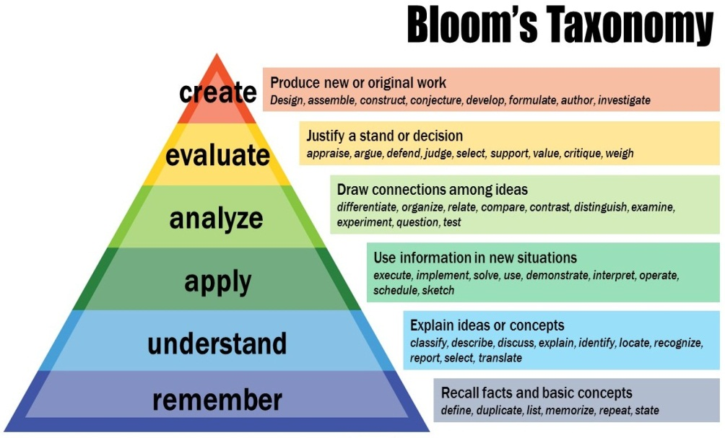
1. Basic and Discipline specific knowledge: Apply knowledge of basic mathematics, science and engineering fundamentals and engineering specialization to solve the engineering problems.
2. Problem analysis: Identify and analyse well-defined engineering problems using codified standard methods.
3. Design/ development of solutions: Design solutions for well-defined technical problems and assist with the design of systems components or processes to meet specified needs.
4. Engineering Tools, Experimentation and Testing: Apply modern engineering tools and appropriate technique to conduct standard tests and measurements.
5. Engineering practices for society, sustainability and environment: Apply appropriate technology in context of society, sustainability, environment and ethical practices.
6. Project Management: Use engineering management principles individually, as a team member or a leader to manage projects and effectively communicate about well-defined engineering activities.
7. Life-long learning: Ability to analyse individual needs and engage in updating in the context of technological changes.
(B) PROGRAM SPECIFIC OUTCOMES (PSOs)
Construction Planning and Designing: Perform optimal civil engineering construction, planning and designing activities of desired quality at optimal cost
Construction Execution and Maintenance: Execute civil engineering construction and maintenance using relevant materials and equipment

COURSE COORDINATOR HOD

PO ATTAINMENT
MGM`s POLYTECHNIC
PROGRAM: CIVIL ENGINEERING
NAME OFCOURSE & CODE: ESTIMATING AND COSTING & (22503)
11. PO DIRECT ATTAINMENT

 |  | ACHIEVED CO THROUGH IA + EA
 |  | CE503.1 |  | 2.4
 |  | CE503.2 |  | 2.4
 |  | CE503.3 |  | 2.3
 |  | CE503.4 |  | 2.4
 |  | CE503.5 |  | 2.3

CO-PO-PSO MAPPING
CO CODES | PO1 | PO2 | PO3 | PO4 | PO5 | PO6 | PO7 | PSO1 | PSO2
CE503.1 | 3 | 2 | 2 | 2 | 0 | 0 | 3 | 2 | 2
CE503.2 | 3 | 3 | 3 | 2 | 2 | 0 | 2 | 2 | 0
CE503.3 | 3 | 3 | 3 | 2 | 2 | 0 | 2 | 2 | 0
CE503.4 | 3 | 2 | 3 | 0 | 0 | 0 | 2 | 2 | 0
CE503.5 | 3 | 2 | 2 | 0 | 0 | 3 | 3 | 3 | 2

PO DIRECT ATTAINMENT
PO | PO1 | PO2 | PO3 | PO4 | PO5 | PO6 | PO7 | PSO1 | PSO2
CE503 | 2.3 | 2.3 | 2.3 | 2.4 | 2.3 | 2.3 | 2.3 | 2.3 | 2.3

PO DIRECT ATTAINMENT
PO | Attainment
PO1 | 2.3
PO2 | 2.3
PO3 | 2.3
PO4 | 2.4
PO5 | 2.3
PO6 | 2.3
PO7 | 2.3
PSO1 | 2.3
PSO2 | 2.3

DEPT. NBACOORDINATOR INST. CRITERION HEAD HOD PRINCIPAL

